UPDATE CASTLE HOTEL
61150433
 | DENAH HOTEL CASTLE MESS TEMPORARY VIPO

 | LANTAI 1

 | 101 |  |  |  | 102
3 | NRP | NAMA | JABATAN | DEPT | NRP | NAMA | JABATAN | DEPT | 3
 | 61070484 | MUHAMMAD ROSYID | OPERATOR | MINING | 61100780 | ZULFI SYARIF | GL | HCGS
 | 61112119 | SASONGKO | OPERATOR | MINING | CONSULTAN | VERLY NUNUMETE | VISITOR | HCGS
 |  |  |  |  | 61232430 | AHMAD RAFI HERVITA | GL | HCGS

 | 103
3 | NRP | NAMA | JABATAN | DEPT
 | 61101346 | BAYU INDRA | MEKANIK | MAINTENANCE
 | 61181959 | ANDI PRASETIYO | MEKANIK | MAINTENANCE
 | 61101340 | RAHMAT SETIYAWAN | MEKANIK | MAINTENANCE

 | LANTAI 2 |  |  |  |  |  |  |  |  |  |  |  |  |  |  |  |  | woman |  |  |  | woman

 | 205 |  |  |  | 206 |  |  |  | 207 |  |  |  | 208 |  |  |  | 209 |  |  |  | 210
 | NRP | NAMA | JABATAN | DEPT | NRP | NAMA | JABATAN | DEPT | NRP | NAMA | JABATAN | DEPT | NRP | NAMA | JABATAN | DEPT | NRP | NAMA | JABATAN | DEPT | NRP | NAMA | JABATAN | DEPT
27 |  | SAPTA ZAQIMAN PUTRA | OPERATOR | MINING | 61170978 | AFIF ARINUGROHO | GL | HCGS | 61180008 | LUQMAN FADHILATUS SAMIIN | GL | HCGS | 61130753 | NURSYAMSU FILARDI | DEPT HEAD | MINING |  |  |  |  | 61150006 | ABDUL LATIF | OPERATOR | MINING
 | 61140432 | ZULFAHMI AKMAL | GL | SM | 83120002 | ERIK WIBOWO | SECT HEAD | HCGS | 61140400 | IRFAN SUKMONO | SECT HEAD | MINING |  |  |  |  | 61150133 | DAVIT PRASETYO | OPERATOR | MINING | 61121464 | HABIBULLAH S | OPERATOR | MINING
 | 61110737 | AHMAD NUR EKO SAIFUDIN | GL | MINING | 61050022 | SUPRIYONO | GL | MINING | 61111502 | ALIANDO | OPERATOR | MINING |  |  |  |  | 61050416 | SUNARNO | OPERATOR | MINING | 61110740 | EKO WAHYUDI | OPERATOR | MINING

 | 204 |  |  |  | 203 |  |  |  | 202 |  |  |  | 201
 | NRP | NAMA | JABATAN | DEPT | NRP | NAMA | JABATAN | DEPT | NRP | NAMA | JABATAN | DEPT | NRP | NAMA | JABATAN | DEPT
 | 61121462 | MEIRO BAGUS WARDANA | GL | MINING | 61120488 | ALDI LUDIA | GL | MINING | 61140197 | SAIFUL ALFIN AFANDI | OPERATOR | MINING | 61070506 | HAMID ARIF MAS`UD | GL | MINING
 | 61121447 | BENNY PUTRA MARYANTO | GL | MINING | 61070109 | ARIYANTO | GL | MINING | 61112181 | ACHMAD FACRHRUDIN | OPERATOR | MINING | 6111716 | JOKO SUSILO | GL | MINING
 | 61090836 | AGUS BUDIYANTO | GL | MINING | 61050549 | NUR MUHAMMAD MASHURI | GL | MINING | 61170342 | ANDRIYANTO RIZKI | OPERATOR | MINING | 61171486 | SIGIT WIBOWO | MEKANIK | MAINTENANCE

 | LANTAI 3

 | JAZZ |  |  |  | DISCO |  |  |  | RNB |  |  |  | ROCK |  |  |  | HIP HOP
 | NRP | NAMA | JABATAN | DEPT | NRP | NAMA | JABATAN | DEPT | NRP | NAMA | JABATAN | DEPT | NRP | NAMA | JABATAN | DEPT | NRP | NAMA | JABATAN | DEPT
43 | 61210877 | WISNU DWIHANDOKO FIRMANDO | OPERATOR | MINING | 61100969 | DONI WIBOWO | OPERATOR | MINING | 61101968 | KUSNANTO | OPERATOR | MINING | 61111634 | DWI SURYO PRABOWO | OPERATOR | MINING | 61170236 | FAESAL FATAH | OPERATOR | MINING
 | 61112117 | FACHRUROZI | GL | MINING | 61050670 | SUSANTO | OPERATOR | MINING | 61150455 | SUKMA ARTA YAKA | OPERATOR | MINING | 61100998 | SAFUAN | OPERATOR | MINING | 61060194 | WAKHID HIDAYAT | OPERATOR | MINING
 | 61080484 | ANDI MASRI | GL | MINING | 61122104 | AGUNG SUSANTO | OPERATOR | MINING | 61070028 | ADANG SOERACHMAN | OPERATOR | MINING | 61122190 | DIDIK BUDI SANTOSO | GL | MINING | 61150448 | RAHMAD YATMOKO PUTRO | OPERATOR | MINING

 | BLOUSE |  |  |  | SKA |  |  |  | DANCE
 | NRP | NAMA | JABATAN | DEPT | NRP | NAMA | JABATAN | DEPT | NRP | NAMA | JABATAN | DEPT
 | 61210733 | ARI NUGROHO | OPERATOR | MINING | 61210699 | ELY SHARA | OPERATOR | MINING | 61091117 | HASAN TRIYADI | GL | MINING
 | 61090928 | AGUS DWI SETYANTO | OPERATOR | MINING | 61121351 | RISMANTO | OPERATOR | MINING | 61102470 | RISTYAWAN | GL | MINING
 | 61210764 | M RIFQI ALFIAN FALAH | OPERATOR | MINING | 61121072 | MUHAMMAD AGUS TRI WIDYASMORO | OPERATOR | MINING | 61050352 | AGUSTINUS ADI CAHYONO | GL | MINING

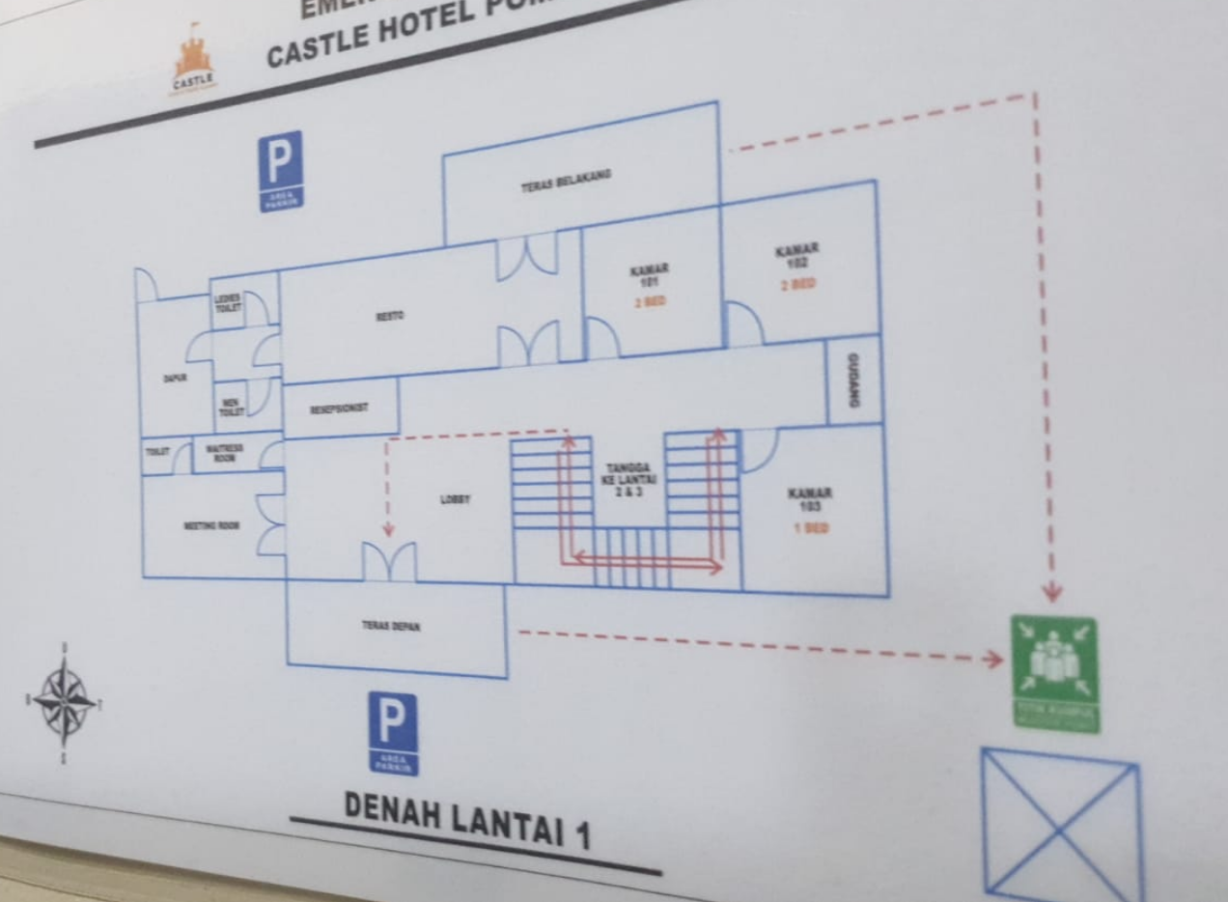
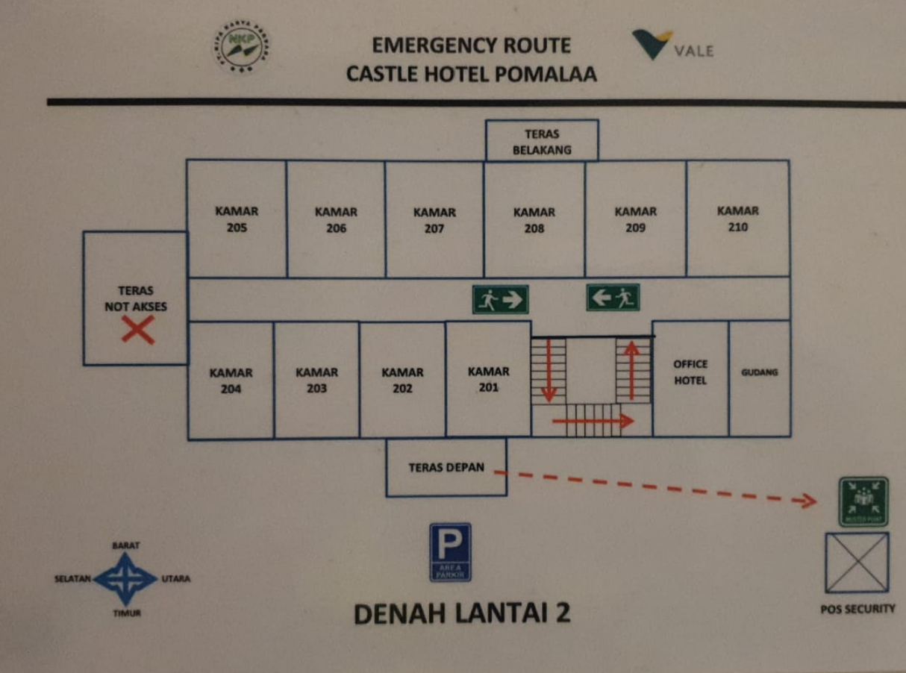
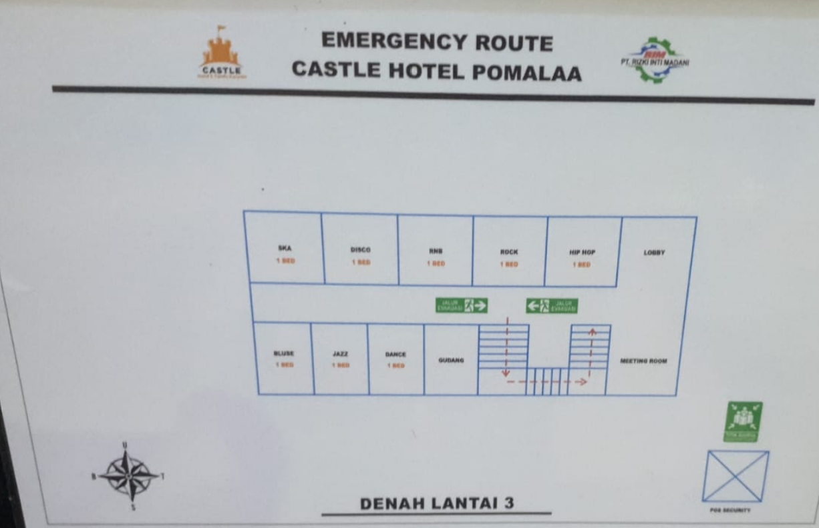
 | 62 | 70 | 59 | FALSE

 |  | MEKANIK | 4
 |  | OPERATOR | 30
 |  | EXPERT | 0
 |  | GL | 20
 |  | INSTRUKTUR | 0
 |  | SECT HEAD | 2
 |  | DEPT HEAD | 1
 |  | DPM | 0
 |  | VISITOR | 1
 |  | SUBCONT | 0
 |  |  | 58

 |  | NONOM | 24
 |  | OPT | 30
 |  | MEK | 4
 |  |  | 58

 |  | Konsultan | 1

 |  |  |  | 15 | 50 | 51
 |  |  |  | 23 | 23
 |  |  |  | 5
 |  |  |  | 2

 |  | 61100780 | ZULFI SYARIF | GL | HCGS
 |  | 61090836 | AGUS BUDIYANTO | GL
 |  | 61121645 | RESA PRADEWA | OFFICER
 |  | 61092084 | TOMMY PRASETYAWAN | GL | MINING | dance

UPDATE MELATI
 | LANTAI 2 BANGUNAN A
 | 6 |  |  |  | 7 |  |  |  | 8 |  |  |  | 9
 | NRP | NAMA | JABATAN | DEPT | NRP | NAMA | JABATAN | DEPT | NRP | NAMA | JABATAN | DEPT | NRP | NAMA | JABATAN | DEPT
15 | 61110577 | CECEP FEBRIANTO | OPERATOR | MINING | 61221239 | MOCH HAFIDZ AL BASAR | OPERATOR | MINING | 61111842 | JATMIKO | OPERATOR | MINING | 61160239 | ROHMAD SATRIYONO | OPERATOR | MINING
 | 61100163 | MUSLIQUN | OPERATOR | MINING | 61092073 | KUSMIRAN | OPERATOR | MINING | 61120613 | NANA HARI SUPARYADI | OPERATOR | MINING | 61130496 | NOVERI | OPERATOR | MINING
 | 61091365 | WARSITO | OPERATOR | MINING | 61111218 | TRIYONO | OPERATOR | MINING | 61100983 | CANDRA KURNIAWAN | OPERATOR | MINING | 61110057 | TRIO NOVEBRIANTO | OPERATOR | MINING
 | 61110477 | ACHMAD FACHRIAN | OPERATOR | MINING | 61171425 | WAHYU NUR LOPATY | MEKANIK | MAINTENANCE | 61080299 | ARIFIN KURNIAWAN | OPERATOR | MINING

 | LANTAI 1 BANGUNAN A
 | 1 |  |  |  | 2 |  |  |  | 4 |  |  |  | 5
 | NRP | NAMA | JABATAN | DEPT | NRP | NAMA | JABATAN | DEPT | NRP | NAMA | JABATAN | DEPT | NRP | NAMA | JABATAN | DEPT
12 | 61113416 | DENI IRAWAN | GL | MINING | 61100285 | ARI YUNIANTO - OPT MINING | OPERATOR | MAINTENANCE | 61110385 | VINDA DARMAWAN | OPERATOR | MINING | 61940166 | AGUS PAMUJI | GL | MINING
 | 61092316 | RIFKY YULIE AMINULLAH | GL | MAINTENANCE | 61113418 | DIDISETIAWAN | OPERATOR | MAINTENANCE | 61090487 | JOKO SUPRIYANTO | OPERATOR | MINING
 | 61121836 | DANANG GALUH PRADA | GL | MINING |  |  |  |  | 61100497 | MUHAMAD SULKAN | OPERATOR | MINING | 61102005 | ANGGA VARIZAL | GL | MINING
 |  |  |  |  | 6116004 | HERI ARIFIYANTO | MEKANIK | MAINTENANCE | 61080804 | MUHLISUN | OPERATOR | MINING

 | LANTAI 1 BANGUNAN B
 | 10 |  |  |  | 11 |  |  |  | 12 |  |  |  | 14
 | NRP | NAMA | JABATAN | DEPT | NRP | NAMA | JABATAN | DEPT | NRP | NAMA | JABATAN | DEPT | NRP | NAMA | JABATAN | DEPT
14 |  |  |  |  | 61111014 | AGUNG ANDRIANTO | OPERATOR | MINING | 61091294 | ROHAJI | OPERATOR | MINING | 61102127 | ZAINAL MU’ALIM | OPERATOR | MINING
 | 61120628 | AGUS SETIAWAN | OPERATOR | MINING |  | JOKO SUTRISNO-OPT MINING | OPERATOR | MINING | 61120688 | MUSLIH FAOJI | OPERATOR | MINING | 61060144 | JULIUS PRAYOSA K | OPERATOR | MINING
 | 61121662 | IMANTOKO MULANJOYO (ADT) | OPERATOR | MINING | 61090109 |  | OPERATOR | MINING | 61090076 | MUHAMAD TAUFIK ANDRIANSYAH | GL | MINING | 61101874 | RATRI HADI PRABOWO | OPERATOR | MINING
 | 61221675 | DANNI ALRIZQI | MEKANIK | MAINTENANCE |  | PRIO SANTOSO- | OPERATOR | MINING | 61110480 | ESTU JOKO TRIYONO | OPERATOR | MINING | 61170488 | ADITIA NUGROHO | OPERATOR | MINING
 |  |  |  |  |  |  |  |  |  |  |  |  | 61090109 | ANGGA EKO CAHYONO - OPT MINING | OPERATOR | MINING
 | 15 |  |  |  | 16 |  |  |  | 17
 | NRP | NAMA | JABATAN | DEPT | NRP | NAMA | JABATAN | DEPT | NRP | NAMA | JABATAN | DEPT
11 |  |  |  |  | 61092252 | DWI WIHARTO - OPT MINING | OPERATOR | MINING | 61150099 | HANA ROSIANA MAWARDI | OPERATOR | MINING
 | 61080122 | DANANG SUSILO UTOMO | OPERATOR | MINING | 61050542 | HERI SISWANTO | OPERATOR | MINING | 61080220 | EKO SUSANTO | OPERATOR | MINING
 | 61101503 | SISWANTO | OPERATOR | MINING | 61070091 | ANDRIE FIRMANSYAH | OPERATOR | MINING | 61090128 | SUNYOTO | OPERATOR | MINING
 | 61050357 | WAHYU WIDODO - OPT MINING | OPERATOR | MINING | 61180985 | HENDRA SANJAYA | MEKANIK | MAINTENANCE | 61091216 | SUKIRNO | OPERATOR | MINING

 |  | 52 | 52 | TRUE |  |  |  |  |  | 61110172 | KUSRATNO | OPERATOR | MINING

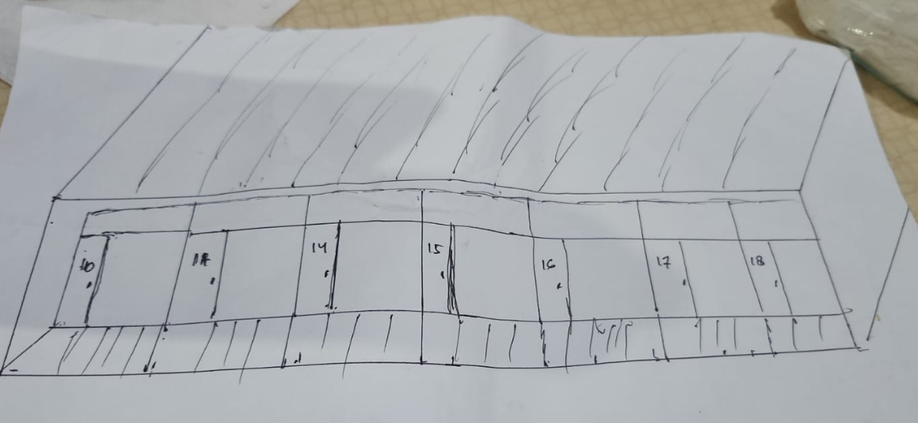
 |  | MEKANIK | 3
 |  | OPERATOR | 44
 |  | EXPERT | 0
 |  | GL | 5
 |  | INSTRUKTUR | 0 |  |  |  |  |  |  | 61233135 | MUHAMMAD FIKRI AFRIAN | MEKANIK | MAINTENANCE
 |  | SECT HEAD | 0
 |  | DEPT HEAD | 0
 |  | DPM | 0 |  |  |  |  |  |  | 61113418 | DIDIK SETIAWAN | OPERATOR | MINING
 |  | VISITOR | 0 |  |  |  |  |  |  | 61090489 | SURAMTO WICAKSNO | OPERATOR | MINING
 |  | SUBCONT | 0
 |  |  | 52
 |  |  |  |  |  |  |  |  |  |  | SUPARDI | OPERATOR | MINING
 |  | NONOM | 5
 |  | OPT | 44 |  |  |  |  |  |  | 61240658 | FEBI SAPUTRA - OPT MINING | OPERATOR | MINING
 |  | MEK | 3
 |  |  | 52 |  |  |  |  |  |  | 61121450 | HENDRIK FERIANTO | OPERATOR | MINING
 |  |  |  |  |  |  |  |  |  | 31090076 | MUHAMMAD TAUFIK ANDRIANSYAH | OPERATOR | MINING
 |  |  |  |  |  |  |  |  |  | 61111812 | FUAD SANTOSO | OPERATOR | MINING

 |  |  |  |  |  |  |  |  |  | 61091160 | BUDI KURNIAWAN | OPERATOR | MINING
 |  | 61090108 | AHMAD AMIN SIPAUN | OPERATOR | MINING
 |  | 61121466 | NGARIPIN | OPERATOR | MINING
 |  | 61110393 | DANANG PEMAJA | OPERATOR | MINING

 |  | 61150009 | ANDHIKA PRIHASTO- GL MINING | GL | MINING
 |  | 61240657 | AUFA GHANI FIRDAUS | OPERATOR | MINING
 |  | 61130696 | MUHAMAD ARIFIN | MEKANIK | MAINTENANCE
 |  | 61112211 | VINDA DARMAWAN | OPERATOR | MINING
 |  | 61111235 | FIRMANSYAH - OPT MINING | OPERATOR | MINING
 |  | 61080648 | REDI WIDODO | OPERATOR | MINING

UPDATE MERPATI
 | LANTAI 1
 | 1 |  |  |  |  |  |  |  | 4 |  |  |  | 6
 | NRP | NAMA | JABATAN | DEPT |  |  |  |  | NRP | NAMA | JABATAN | DEPT | NRP | NAMA | JABATAN | DEPT
77 | 61092233 | ALI MASKHUR | OPERATOR | MINNING |  |  |  |  | 61140037 | ANDY GUNAWAN | MEKANIK | MAINTENANCE | 61091138 | WAHYU NUGROHO - GL MTC | GL | MTC
 | 61100394 | BAMBANG SETYO UTOMO | GL | MINING |  |  |  |  | 61150614 | NUR AFIF FAUZI - MEKANIK MTC | MEKANIK | MAINTENANCE | 61170795 | RIDWAN HARTANTO | MEKANIK | MAINTENANCE
 | 61230446 | IRHAM SAIFUDDUIN | OPERATOR | MINING |  |  |  |  | 61091875 | JOHAN DWI SAPUTRO | MEKANIK | MAINTENANCE | 61060126 | FUJI HARYONO- OPT MINING | OPERATOR | MINING
 | 61230220 | MIFTAKHUL KHOLLI | OPERATOR | MINING |  |  |  |  |  | AHMAD YASIN AL MUTAQIM | VISITOR |  |  | RIFQI RAFSANJANI | VISITOR
 | 2 |  |  |  | 3 |  |  |  | 5 |  |  |  | 7
 | NRP | NAMA | JABATAN | DEPT | NRP | NAMA | JABATAN | DEPT | NRP | NAMA | JABATAN | DEPT | NRP | NAMA | JABATAN | DEPT
 | 61091202 | PARLUDODO | OPERATOR | MINING | TRITRA | AZIZ RAHMATULLO ( TRIATRA) | SUBCONT | MAINTENANCE | 61110577 | CECEP FEBRIANTO | OPERATOR | MINING | 61140283 | DIDI SUGIARTO - OPT MINING | OPERATOR | MINING
 | 61112858 | DENI RESTIAWAN | MEKANIK | MTC | TRITRA | AHMAD MAKTUBUN ( TRIATRA) | SUBCONT | MAINTENANCE | 61101079 | BUDIANTO | OPERATOR | MINING | 61181012 | LUKI ANDHIKA PRATAMA | MEKANIK | MAINTENANCE
 | 61091070 | M. RENDHY FAMBUDI | OPERATOR | MINING | TRITRA | MUHAMMAD RAFLI FADLIANSYAH | SUBCONT | MAINTENANCE | 61090868 | GALIH EKO RISTIYANTO | OPERATOR | MINING | 61070414 | ARIS HERTANTO | GL | MAINTENANCE
 | 61111899 | DEDE PRASETYO | MEKANIK | MTC | TRITRA | MUHAMMAD HAMBALI (TRIATRA) | SUBCONT | MAINTENANCE | 61090868 | ENDRI DWI SYABANA | OPERATOR | MINING | 61091406 | NUR FIDZIN IFANI | OPERATOR | MINING

 | 9 |  |  |  |  |  |  |  | 8
 | NRP | NAMA | JABATAN | DEPT |  |  |  |  | NRP | NAMA | JABATAN | DEPT
 |  |  |  |  |  |  |  |  | 61160059 | NGADIANTO | MEKANIK | MAINTENANCE
 | 61100676 | EDHO PUTRO SUKOCO | OPERATOR | MINING |  |  |  |  | 61190450 | IVAN FARLIYAN | MEKANIK | MAINTENANCE
 | 61111031 | SIGIT ARI WIBIWO-OPT MINING | OPERATOR | MINING |  |  |  |  | 61180677 | MUHHAMAD EFFENDI | MEKANIK | MAINTENANCE
 | 61100823 | NUR ROHMAN | OPERATOR | MINING |  |  |  |  | 61090042 | MUHAMAD WIBOWO | MEKANIK | MAINTENANCE
 | 61080263 | YOSI EVO | OPERATOR | MINING | tidak dipakai |  |  |  | 10
 |  |  |  |  | NRP | NAMA | JABATAN | DEPT | NRP | NAMA | JABATAN | DEPT
 | 61080155 | RASIDI | OPERATOR | MINING | kantor |  |  |  | 61160347 | MUHAMAD RAMDZAN | MEKANIK | MAINTENANCE
 |  |  |  |  |  |  |  |  | 61111910 | SUPRIYATNA | MEKANIK | MAINTENANCE
 |  |  |  |  |  |  |  |  | 61110356 | AGUNG S | MEKANIK | MAINTENANCE
 |  |  |  |  |  |  |  |  |  | DIMAS EKO PRASETYO | OPERATOR | MINING
 |  |  |  |  | 11 |  |  |  | 12
 |  |  |  |  | NRP | NAMA | JABATAN | DEPT | NRP | NAMA | JABATAN | DEPT
 |  |  |  |  | 61121583 | JEFRI SINDU A | OPERATOR | MINING | 61130614 | RIFAI | MEKANIK | MAINTENANCE
 |  |  |  |  | 61101378 | AFRIZAL FAUZI | MEKANIK | MTC | 61060071 | ZIBIGNIW KAILOLA | GL | MAINTENANCE
 |  |  |  |  | 61160262 | TRI KRISTANTO - OPT MINING | OPERATOR | MINING | 61140340 | DIMAS RANGGA WIRAWAN - GLMTC | GL | MAINTENANCE
 |  |  |  |  |  | AHMAD PAUZI ROMADON | VISITOR |  | 61232292 | RESTU HAJI SAEFUDIN | MEKANIK | MAINTENANCE
 |  |  |  |  | 14 |  |  |  | tidak dipakai
 |  |  |  |  | NRP | NAMA | JABATAN | DEPT | NRP | NAMA | JABATAN | DEPT
 |  |  |  |  |  | AMRUL MUSTAKIN | VISITOR |  | pemilik
 |  |  |  |  | 61101079 | BUDIANTO - OPT MINING | OPERATOR | MINING
 |  |  |  |  | 61170635 | TRI HARIANTO | OPERATOR | MINING
 |  |  |  |  | 61091031 | SUGIARTO - OPT MINING | OPERATOR | MINING

 | LANTAI 2
 |  |  |  |  | tidak dipakai |  |  |  | tidak dipakai
 |  |  |  |  | NRP | NAMA | JABATAN | DEPT | NRP | NAMA | JABATAN | DEPT
7 |  |  |  |  | pemilik |  |  |  | pemilik

 |  |  |  |  | tidak dipakai |  |  |  | 16
 |  |  |  |  | NRP | NAMA | JABATAN | DEPT | NRP | NAMA | JABATAN | DEPT
 |  |  |  |  | pemilik |  |  |  | 61090880 | ILHAM JAKA PRATAMA - OPT MINING | OPERATOR | MINING
 |  |  |  |  |  |  |  |  | 61130500 | HARYONO- OPT MINING | OPERATOR | MINING

 |  |  |  |  |  |  |  |  | 6119638 | ADITYA YULIANTO | MEKANIK | MAINTENANCE
 |  |  |  |  | tidak dipakai |  |  |  | 61122879 | BANGKIT NUR ARDIANSAH | OPERATOR | MINING
 |  |  |  |  | NRP | NAMA | JABATAN | DEPT | 15
 |  |  |  |  | pemilik |  |  |  | NRP | NAMA | JABATAN | DEPT
 |  |  |  |  |  |  |  |  | 61113091 | R REGI GANDARA - OPT MINING | OPERATOR | MINING
 |  |  |  |  |  |  |  |  | 61091402 | ADI HENDRAWAN | OPERATOR | MINING
 |  |  |  |  |  |  |  |  | 61090868 | GALIH EKO RISTIYANTO - OPT MINING | OPERATOR | MINING
 |  |  |  |  |  |  |  |  | 61102011 | ENDRI DWI SYABANA - OPT MINING | OPERATOR | MINING

 |  | 51 |  | FALSE

 |  | MEKANIK | 18
 |  | OPERATOR | 27
 |  | EXPERT | 0
 |  | GL | 3
 |  | INSTRUKTUR | 0
 |  | SECT HEAD | 0
 |  | DEPT HEAD | 0
 |  | DPM | 0
 |  | VISITOR | 4
 |  | SUBCONT | 4
 |  |  | 56

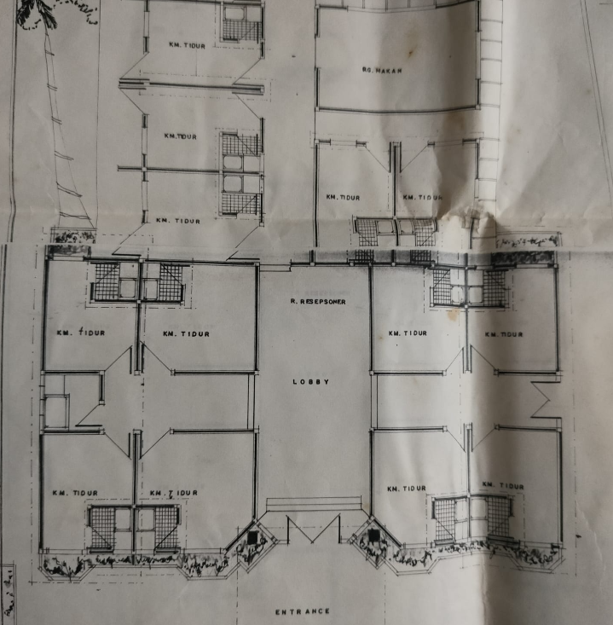
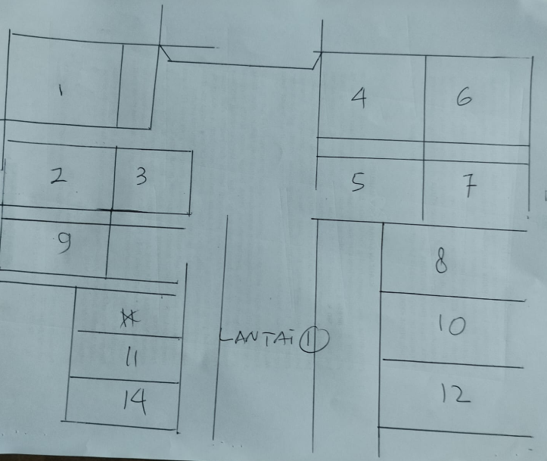
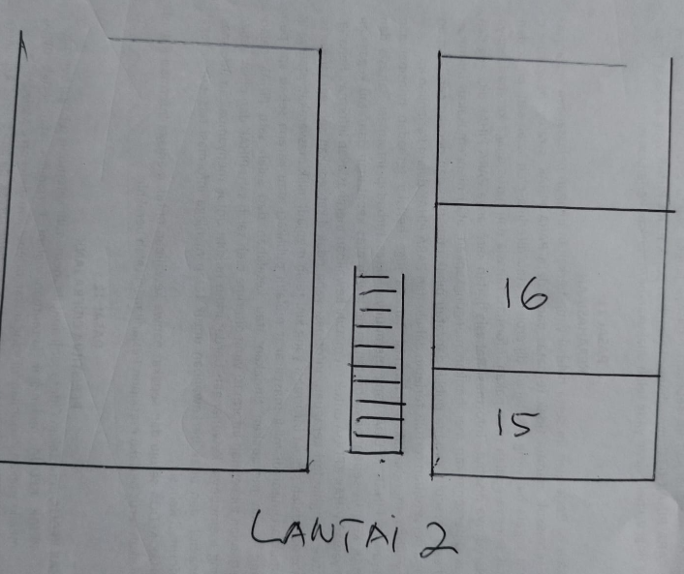

61092060 | MUH RULI JUNIANTO - | OPERATOR | MINING
31260032 | M WIRJANA AFANDI AHSAN | OPERATOR | MINING

61120407 | EKO PURNOMO | OPERATOR | MINING

 | 61121456 | YUSUF PENDI IMAM MUSTAHAL- | OPERATOR | MINING
 | 61150552 | ADI FIRMANTO | OPERATOR | MINING
 | 61100825 | NURUL HIDAYAT | OPERATOR | MINING
 | 61101634 | ANDRI PUTRA | MEKANIK | MAINTENANCE
 | 61111760 | WINDARTO | OPERATOR | MINING
 | 61181972 | ANDRI NUR CAHYA | MEKANIK | MAINTENANCE
 | 61100203 | EKO PURWANTO - A2B | OPERATOR | MINING

 | 61112216 | ABDUL ROZAQ | MEKANIK | MAINTENANCE

UPDATE HAFIDZAH HOTEL
 | HAFIDZAH HOTEL

 | LANTAI 1

 | 110 |  |  |  | 111 |  |  |  | 112
 | NRP | NAMA | JABATAN | DEPT | NRP | NAMA | JABATAN | DEPT | NRP | NAMA | JABATAN | DEPT
18 |  |  |  |  | 61160381 | FIKRI ALIF RAMADHAN | SECT HEAD | HCGS | 61100911 | ADI WIJAYA | DEPT. HEAD | MINNING
 | 61050720 | ARIS DWI NUGROHO | SECT HEAD | MAINTENANCE | 84100076 | SYAMSUL RISAL | DEPT HEAD | SHE | 61070400 | FAJAR ARYANTO | VISITOR HO | JIEP

 | 113 |  |  |  | 114 |  |  |  | 115
 | NRP | NAMA | JABATAN | DEPT | NRP | NAMA | JABATAN | DEPT | NRP | NAMA | JABATAN | DEPT
 | 61140520 | WILLY AGUNG WIBOWO | SECT HEAD | SHE | 61120550 | ASTOL WESLEY KADOENA | DEPT HEAD | ENG | 61080534 | ARI ANGGARA | SECT HEAD | SINS
 | 61190922 | FARIS FIKARDIAN PRATAMA | SECT HEAD | HCGS | 61070531 | MOCH. ANDRE KURNIAWAN | DEPT HEAD | MAINTENANCE | 61130643 | DAMAR PURNAMA | SECT HEAD | FA

 | LANTAI 2

 | 116 |  |  |  | 117 ( KAMAR VISITOR)
 | NRP | NAMA | JABATAN | DEPT | NRP | NAMA | JABATAN | DEPT
 | 61091439 | SUTRIMO DWI AGUSDIANTO | DPM | SPMG | 54000090 | AHMAD DAULAI
 |  |  |  |  | 41940075 | HEFNI PRIONO

 | 118 ( KAMAR VISITOR) |  |  |  | 119 |  |  |  | 120
 | NRP | NAMA | JABATAN | DEPT | NRP | NAMA | JABATAN | DEPT | NRP | NAMA | JABATAN | DEPT
 | 61050510 | RAMADONI | VISITOR HO | JIEP | 61171668 | AGIL GEMILANG RAMADHAN | SECT HEAD | SENG | 61170075 | MUCH MASRUH BAIDHOWI | SECT HEAD | SENG
 |  |  |  |  | 61140449 | M. FRIDHO FINANTHEO | SECT HEAD | SENG | 61170071 | ILHAM ADITYA ANGGRIAWAN | SECT HEAD | SENG

 | 121 ( KAMAR VISITOR)
 | NRP | NAMA | JABATAN | DEPT
 |  | TOTOK SUKAMBIYANTO | 61060405
 |  | IVAN DESTIYANTO | 61110141

 |  | 18 | 14 | FALSE

 |  |  |  |  | LIST PENGHUNI CUTI

 |  | MEKANIK | 0
 |  | OPERATOR | 0
 |  | EXPERT | 0 |  | SAUGI - TYRE ENG | VISITOR | TYRE ENGG
 |  | GL | 0 |  | ADRIANSYAH - ASS MANAGER | VISITOR | ASS MANAGER
 |  | INSTRUKTUR | 0 |  |  |  |  |  |  | didian
 |  | SECT HEAD | 10
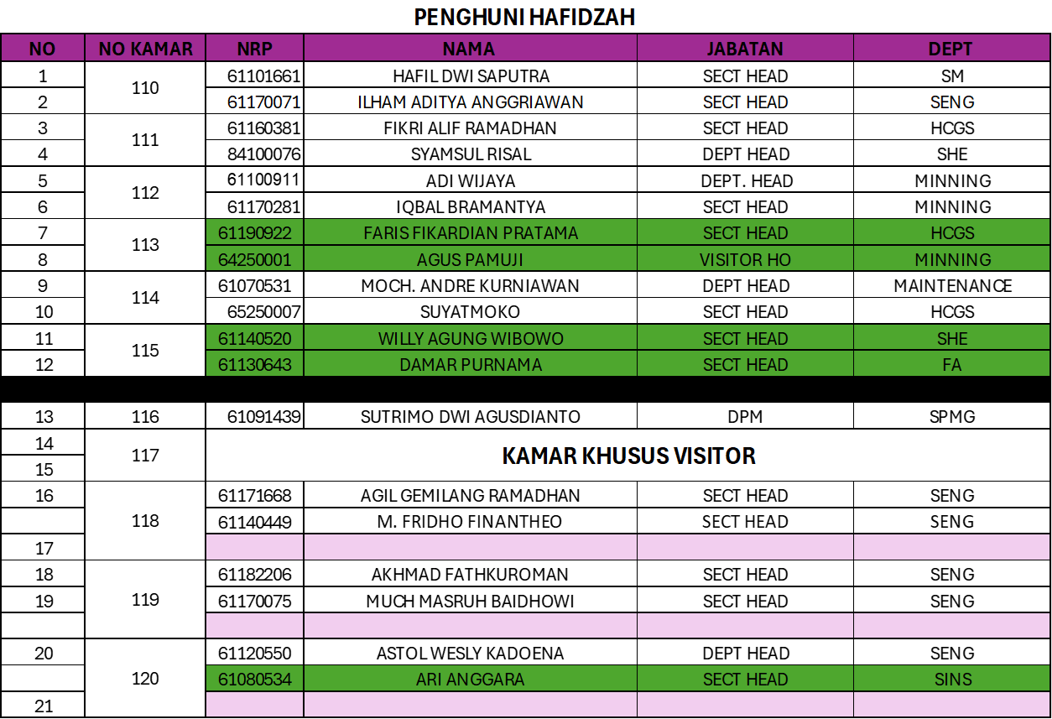
 |  | DEPT HEAD | 3
 |  | DPM | 1
 |  | VISITOR | 0
 |  | SUBCONT | 0
 |  |  | 14

 |  | NONOM | 14
 |  | OPT | 0
 |  | MEK | 0
 |  |  | 14

 |  |  |  |  | 16

UPDATE ABRAGA
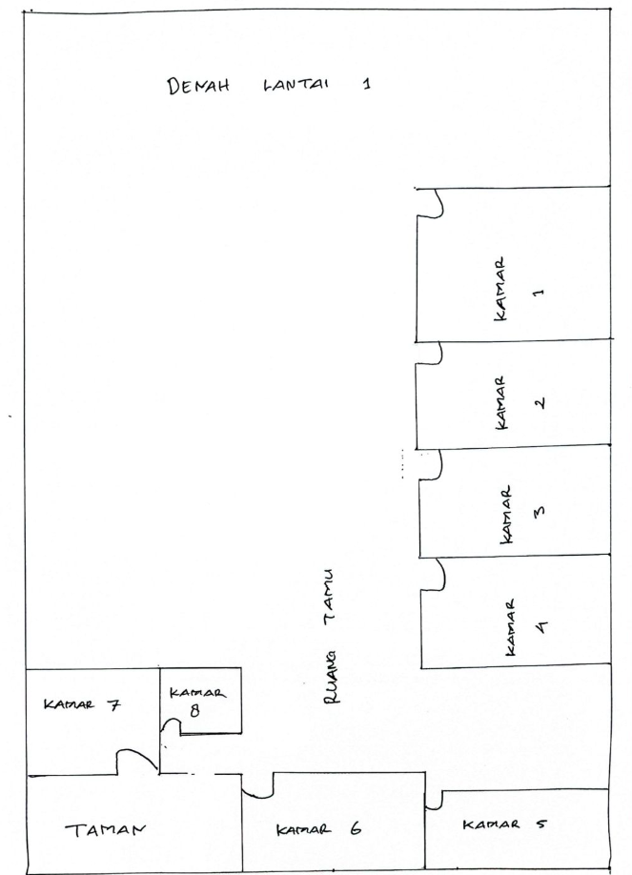
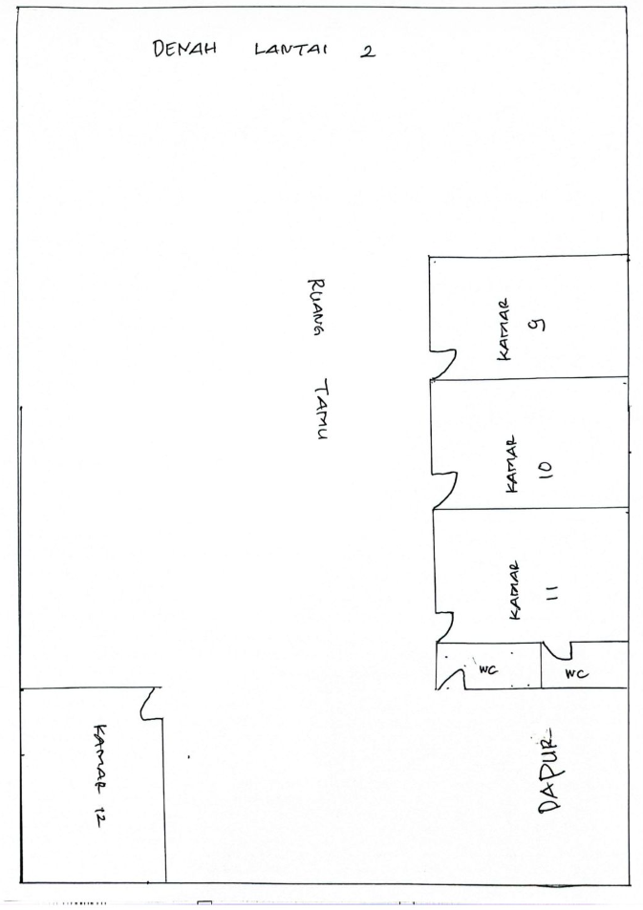
 | LANTAI 1 |  |  |  |  |  |  |  |  |  |  |  | LANTAI 2
50 |  |  |  |  |  |  |  |  | 1 |  |  |  |  |  |  |  | 9 (MESS PEREMPUAN)
 |  |  |  |  |  |  |  |  | NRP | NAMA | JABATAN | DEPT |  |  |  |  | NRP | NAMA | JABATAN | DEPT
 |  |  |  |  |  |  |  |  | 61181446 | DIMAS AULIA RAHMAN | GL | SENG |  |  |  |  | 61230326 | GRACELIA REGINA PADANG | DPM | SPMG
 |  |  |  |  |  |  |  |  | 61230197 | FEBBY CHANDRA ADIPRADANA | GL | SENG |  |  |  |  | 61232220 | MAULANI RUKYA | DPM | SPMG
 |  |  |  |  |  |  |  |  | 61122355 | GILANG AGUSTI SAWAL | GL | SENG |  |  |  |  | 61221445 | TENNY RUTH SIMAMORA | GL | SENG
 |  |  |  |  |  |  |  |  | 61180118 | R. BENSCORTY NATHAYUDHA | GL | SENG
 |  |  |  |  |  |  |  |  | 61232245 | ADITYA RIZKI RAMADHAN | GL | SENG
 |  |  |  |  |  |  |  |  | 61220802 | RIZA ALFIAN NAUFAL - | CHIFT | ENG
 |  |  |  |  |  |  |  |  | 2 |  |  |  |  |  |  |  | 10 (MESS PEREMPUAN)
 |  |  |  |  |  |  |  |  | NRP | NAMA | JABATAN | DEPT |  |  |  |  | NRP | NAMA | JABATAN | DEPT
 |  |  |  |  |  |  |  |  | 61230531 | AGUS WIDAYAT | GL | SM
 |  |  |  |  |  |  |  |  | 61231586 | MARSHAL AKBAR | GL | SENG |  |  |  |  | 61232813 | DIDIAN NOVENI WARUWU | GL | MINING
 |  |  |  |  |  |  |  |  | 46070004 | INDRO SANTOSO | GL | ENG |  |  |  |  | 61233181 | NIZALIA ZAHRA | GL | MINING
 |  |  |  |  |  |  |  |  | 61122582 | ROBBY AHMAD | OFFICER | SENG |  |  |  |  | 61232948 | SINTA EKA MULIA | GL | MINING
 |  |  |  |  |  |  |  |  | 3 |  |  |  |  |  |  |  | 11 (MESS PEREMPUAN)
 |  |  |  |  |  |  |  |  | NRP | NAMA | JABATAN | DEPT |  |  |  |  | NRP | NAMA | JABATAN | DEPT
 |  |  |  |  |  |  |  |  | 61210003 | FARHAN RIJAL GIFFARI | GL | SENG |  |  |  |  | 61230138 | AMIRA RAHMAH AZIZAH | GL | SENG
 |  |  |  |  |  |  |  |  | 61231586 | MARSHAL AKBAR | GL | SENG |  |  |  |  | 61230911 | FABYOLA LARASATI | GL | SENG
 |  |  |  |  |  |  |  |  | 61231079 | RIZQI AGA PRATAMA | GL | SENG |  |  |  |  | 61233029 | FANNY AULIA RIFKI | GL | SENG
 |  |  |  |  |  |  |  |  | 61140138 | BERLIYANTO - GL SENG | GL | SENG |  |  |  |  | 61130747 | WAHYUNING PINTOWATI | SH | SENG
 |  |  |  |  |  |  |  |  | 61231407 | DANI WIRATAMA | GL | SENG
 |  |  |  |  |  |  |  |  | 61230612 | MUHAMAD RAFLY HAFIZH WIBOWO | GL | SENG
 | 7 |  |  |  | 8 |  |  |  | 4 |  |  |  | 12 (MESS PEREMPUAN)
 | NRP | NAMA | JABATAN | DEPT | NRP | NAMA | JABATAN | DEPT | NRP | NAMA | JABATAN | DEPT | NRP | NAMA | JABATAN | DEPT
 | VISITOR | WAHIDIN | VISITOR | VISITOR | GUDANG |  |  |  | 61040073 | BASUKI | GL | ENG | 61250425 | CAREL IKHSANIA KHAIRANI | GL | HCGS
 | VISITOR | MUHAMAD SOBARI | VISITOR | VISITOR |  |  |  |  | 61232245 | ADITYA RIZKI RAMADHAN | GL | SENG | 61240589 | NOVIA ARIYANTI | GL | HCGS
 | 61240823 | IHSAN AHMAD FAUZI | GL | HCGS |  |  |  |  | 61230197 | FEBBY CHANDRA ADIPRADANA | GL | SENG | 61231287 | NASTY MAULIDA | GL | HCGS
 | 65250007 | SUYATMOKO | CHIEF SECURITY | HCGS |  |  |  |  | 61230097 | RANTAU NUR PANJAYA | GL | SENG |  |  |  |  |  |  |  |  | MEYLAWATI MARFU'ATIN | GL | SENG
 | VISITOR | ILFAN MUNANDAR- | VISITOR | VISITOR |  |  |  |  | 61220817 | DENNY RISKY DELIS PUTRA | GL | SENG |  |  |  |  |  |  |  |  | JENNY SASMITHA R. | GL | SENG
 | VISITOR | HERI ALVIKOTARIE- | VISITOR | VISITOR |  |  |  |  | 61182791 | AHMAD ISNAIN PRIHANTORO | GL | SHE |  |  |  |  |  |  |  |  | LESTARI BUTAR-BUTAR | GL | SENG
 | TAMAN |  |  |  | 6 KAMAR VIP SINGLE BED UTK TAMU |  |  |  | 5
 | NRP | NAMA | JABATAN | DEPT | NRP | NAMA | JABATAN | DEPT | NRP | NAMA | JABATAN | DEPT |  |  |  |  |  |  |  |  | 61233029 | FANNY AULIA RIFKI | GL | SENG
 | TAMAN |  |  |  | 61181230 | RAHMAT WARSENO | GL | SM | 61230916 | ALDY YOSEFIN AMBARITA | GL | FA |  |  |  |  |  |  |  |  | 61230138 | AMIRA RAHMAH AZIZAH | GL | SENG
 |  |  |  |  | 61182337 | IRWAN FIRMANSYAH | GL | SM | 61220855 | MUHAMMAD LUTHFI GHOZALI | GL | FA
 |  |  |  |  |  |  |  |  | 61260022 | HEMAS DAVIN ALKAUTSAR | GL | FA
 |  |  |  |  |  |  |  |  | 61241055 | MUHAMMAD NAUFAL ALDIAN G | GL | SM
 |  |  |  |  | 61160050 | NUROHMAN | GL | SM | 61122354 | MUHAMMAD ABDU MAHSAN | GL | ENG
 |  |  |  |  |  | EKO WILIYANTO | GL | SM

 |  | 50 | 51 | FALSE

 |  | MEKANIK | 0
 |  | OPERATOR | 0
 |  | EXPERT | 0
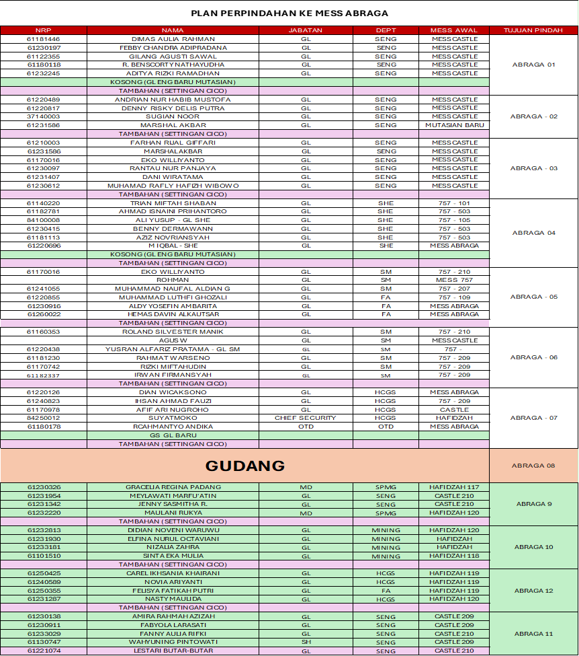
 |  | GL | 37
 |  | INSTRUKTUR | 0
 |  | SECT HEAD | 0
 |  | DEPT HEAD | 0
 |  | DPM | 2
 |  | VISITOR | 12
 |  | SUBCONT | 0
 |  |  | 51

